Blad1
 | ORDER |  | SUPPLIER : |  | ELITE |  | SEASON : | 2026/2 |  | YR REF : | P46W116

 |  |  | DATE: | 2026-04-13 |  |  | PRICE : | 15.95 | EURO | QUAL. : | Ecoleaf umit
 |  |  |  |  |  |  |  |  |  |  | karakoc art berta
 |  |  | DESCRIPTION : |  | BLOUSE POLO NECK LONG SLEEVE

REFERENCE |  | HOT CORAL |  |  | SIZE : | 36 | 38 | 40 | 42 | 44 | 46 | TOTAL
P46W116 |  | BROWN |  |  |  | 28 | 40 | 48 | 50 | 38 | 20 | 224
 |  | KHAKI |  |  |  | 20 | 24 | 26 | 26 | 22 | 22 | 140
 |  |  |  |  |  |  |  |  |  |  |  | 0
 |  |  |  |  |  |  |  |  |  |  |  | 0
 |  |  |  |  |  |  |  |  |  |  |  | 0
BROWN |  |  | KHAKI |  |  |  |  |  |  |  |  | 364
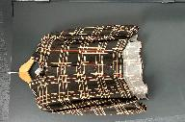
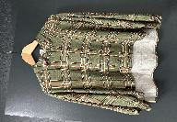
 |  |  |  |  |  |  |  |  |  |  |  | STYLE
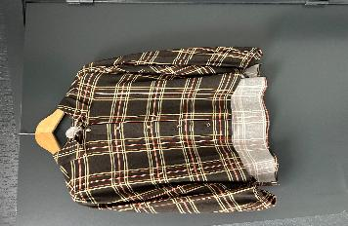

LABELS |  | SHE GOES LALA

REMARK |  | FRONT AND BACK WILL BE SAME LENGTH

DELIVERY |  | June

